Naming Convention
Rules
Rule no 01: Prefix name of web elements with something which describes type of web elements whether it is textbox or button or something else.
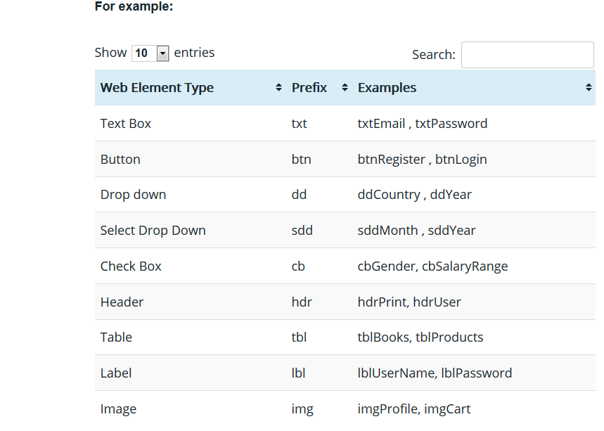
Rule no 02: Add prefix “Page” with all pages you develop. It will segregate Page classes from other available classes. E.g. Page_Login, Page_Home etc.
Rule no 03: Web element name should be gives as it is shown on UI. For example, if email has label as “Email Address”, name this web element as txtEmailAddress.
Rule no 04: Prefix action name with method which performs on web element. For example:
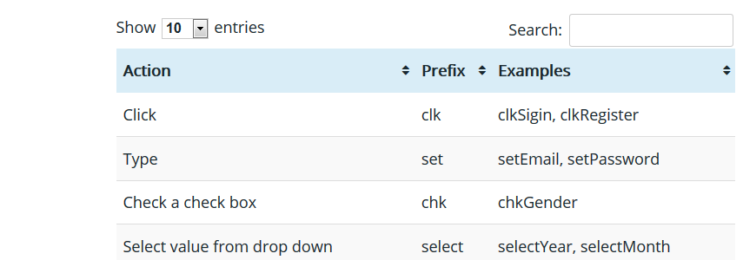
Rule no 05: Give name of a page as per title of page. Ex. Title of home page is “Dashboard”. You should create a page as Page_Dashboard.
Rule no 06: Use camel case for naming methods and web elements. CamelCase (also “camel case” or “dromedary case”) is a naming convention in which the first letter of each word in a compound word is capitalized. For example: If a text box has label as “Email address”, name its web element as “txtEmailAddress”.

Note:-
Packages Ensure that your package names are unique by prefixing them with the inverted name of your Internet domain (e.g., com.davidflanagan.utils). All package names, or at least their unique prefixes, should be lowercase. docstore.mik.ua/orelly/java-ent/jnut/ch07_01.htm
Classes A class name should begin with a capital letter and be written in mixed case (e.g., String). If a class name consists of more than one word, each word should begin with a capital letter (e.g., StringBuffer). If a class name, or one of the words of a class name, is an acronym, the acronym can be written in all capital letters (e.g., URL, HTMLParser). Since classes are designed to represent objects, you should choose class names that are nouns (e.g., Thread, Teapot, FormatConverter). docstore.mik.ua/orelly/java-ent/jnut/ch07_01.htm
Methods A method name always begins with a lowercase letter. If the name contains more than one word, every word after the first begins with a capital letter (e.g., insert(), insertObject(), insertObjectAt()). Method names are typically chosen so that the first word is a verb. Method names can be as long as is necessary to make their purpose clear, but choose succinct names where possible. docstore.mik.ua/orelly/java-ent/jnut/ch07_01.htm
Fields and constants Nonconstant field names follow the same capitalization conventions as method names. If a field is a static final constant, it should be written in uppercase. If the name of a constant includes more than one word, the words should be separated with underscores (e.g., MAX_VALUE). A field name should be chosen to best describe the purpose of the field or the value it holds. docstore.mik.ua/orelly/java-ent/jnut/ch07_01.htm
Parameters The names of method parameters appear in the documentation for a method, so you should choose names that make the purpose of the parameters as clear as possible. Try to keep parameter names to a single word and use them consistently. For example, if a WidgetProcessor class defines many methods that accept a Widget object as the first parameter, name this parameter widget or even w in each method. docstore.mik.ua/orelly/java-ent/jnut/ch07_01.htm
Local variables Local variable names are an implementation detail and never visible outside your class. Nevertheless, choosing good names makes your code easier to read, understand, and maintain. Variables are typically named following the same conventions as methods and fields. docstore.mik.ua/orelly/java-ent/jnut/ch07_01.htm

